Object Size category test
 |  |  |  | Overall |  |  | Car |  |  | Traffic Sign |  |  | Traffic Light |  |  | Pedestrian
 |  |  | Average Obj Size |  |  |  | 9432.5 |  |  |  |  |  | 510.44 |  |  | 2913
 |  |  |  | 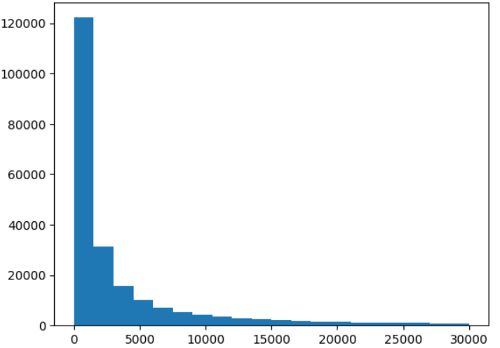 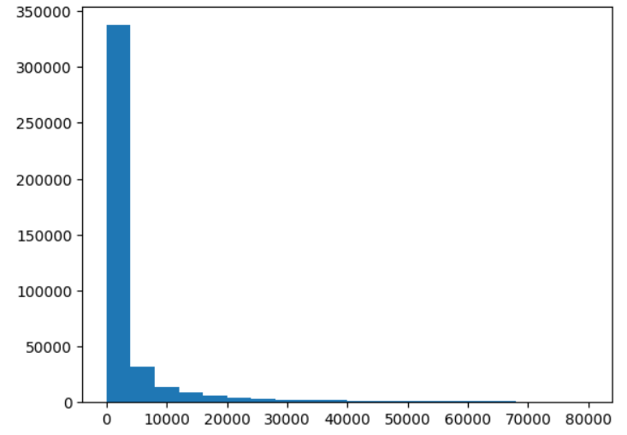 |  |  |  |  |  | 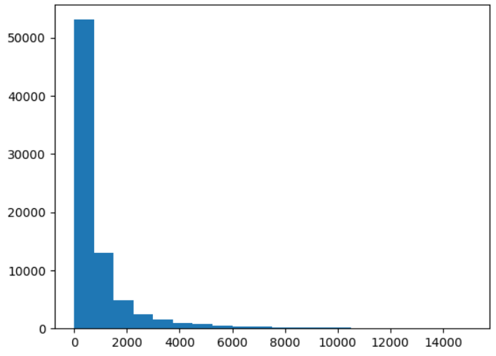 |  |  | 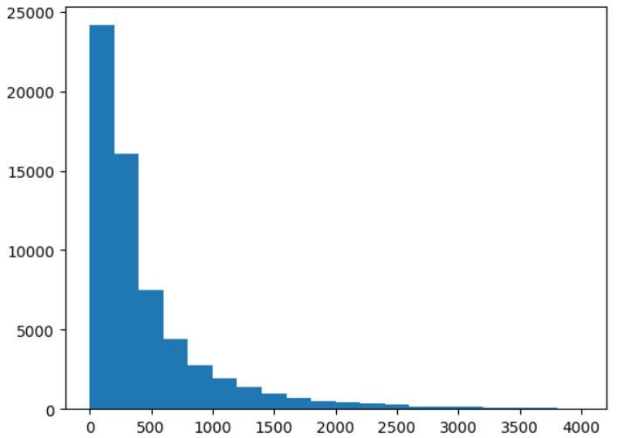 |  |  | 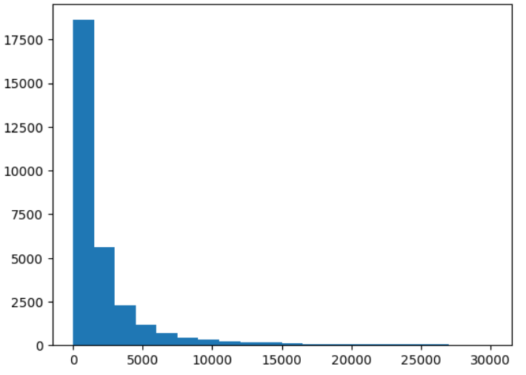
Object size category (% of image area) | Size of blemish(px) | Intensity(0-1) | % instances covered | P | R | mAP | P | R | mAP | P | R | mAP | P | R | mAP | P | R | mAP
all | 50 | 0.9 | 100 | 0.7 | 0.383 | 0.423 | 0.775 | 0.582 | 0.648 | 0.673 | 0.354 | 0.413 | 0.606 | 0.363 | 0.378 | 0.685 | 0.503 | 0.541
0 - 0.03 | 50 | 0.9 | 25 | 0.73 | 0.43 | 0.477 | 0.774 | 0.656 | 0.71 | 0.738 | 0.503 | 0.555 | 0.663 | 0.436 | 0.461 | 0.723 | 0.482 | 0.553
0.033 - 0.088 | 50 | 0.9 | 25 | 0.717 | 0.428 | 0.471 | 0.761 | 0.633 | 0.691 | 0.707 | 0.46 | 0.529 | 0.642 | 0.495 | 0.502 | 0.694 | 0.476 | 0.531
0.088 - 0.32 | 50 | 0.9 | 25 | 0.725 | 0.44 | 0.486 | 0.777 | 0.666 | 0.729 | 0.723 | 0.509 | 0.577 | 0.673 | 0.546 | 0.556 | 0.708 | 0.552 | 0.578
0.32 - 89.9 | 50 | 0.9 | 25 | 0.722 | 0.446 | 0.492 | 0.763 | 0.683 | 0.763 | 0.731 | 0.552 | 0.612 | 0.672 | 0.553 | 0.565 | 0.715 | 0.496 | 0.563
none | 0 |  | 0 | 0.731 | 0.453 | 0.501 | 0.768 | 0.685 | 0.739 | 0.737 | 0.556 | 0.618 | 0.673 | 0.557 | 0.567 | 0.673 | 0.557 | 0.567

all | 30 | 0.9 | 100 | 0.714 | 0.413 | 0.459 | 0.768 | 0.631 | 0.698 | 0.67 | 0.386 | 0.455 | 0.631 | 0.405 | 0.433 | 0.72 | 0.566 | 0.61
0 - 0.03 | 30 | 0.9 | 25 | 0.726 | 0.434 | 0.481 | 0.767 | 0.669 | 0.723 | 0.727 | 0.508 | 0.563 | 0.651 | 0.438 | 0.467 | 0.714 | 0.487 | 0.555
0.033 - 0.088 | 30 | 0.9 | 25 | 0.719 | 0.446 | 0.49 | 0.767 | 0.668 | 0.727 | 0.704 | 0.478 | 0.548 | 0.653 | 0.524 | 0.533 | 0.711 | 0.528 | 0.583
0.088 - 0.32 | 30 | 0.9 | 25
0.32 - 89.9 | 30 | 0.9 | 25
none | 0 |  | 0

DOE
Stress test
Fixed size
Fixed size ratio
Object size
Object category
Coverage test
(Location constrained)
(Location unconstrained)
Temporal
(Frame unconstrained)
(Frame constrained)
(Frame constrained)
(Location constrained)
DOE

impact of fixed size blemish on all/small/big objects
At what blemish charactertistics threshold, the performance starts to degrade (eg pedestrian missed)

Fixed size blemish _ Stress tes
SIZE FIXED CONTRAST VARIED EXPERIMENTS

OVERALL mAP
 | 5.00000 |  |  | 10 |  |  | 20 |  |  | 30 |  |  | 40 |  |  | 50 |  |  | 70 |  |  | 90 |  |  | 110
Coverage by blemish per image as % of total image area | 0.022 |  |  | 0.089 |  |  | 0.356 |  |  | 0.802 |  |  | 1.425
Std deviation of average area_blemish per image as % of total image area | 0.015 |  |  | 0.060 |  |  | 0.2408333333 |  |  | 0.542 |  |  | 0.964
Contrast-drop | mAP@50 | P | R | mAP@50 | P | R | mAP@50 | P | R | mAP@50 | P | R | mAP@50 | P | R | mAP@50 | P | R | mAP@50 | P | R | mAP@50 | P | R | mAP@50 | P | R
0 | 0.369 | 0.519 | 0.363 | 0.369 | 0.519 | 0.363 | 0.369 | 0.519 | 0.363 | 0.369 | 0.519 | 0.363 | 0.369 | 0.519 | 0.363 | 0.369 | 0.519 | 0.363 | 0.369 | 0.519 | 0.363 | 0.369 | 0.519 | 0.363 | 0.369 | 0.519 | 0.363
0.3 | 0.369 | 0.52 | 0.365 | 0.369 | 0.511 | 0.371 | 0.368 | 0.51 | 0.369 | 0.369 | 0.517 | 0.362 | 0.37 | 0.517 | 0.37 | 0.368 | 0.513 | 0.369 | 0.367 | 0.547 | 0.352 | 0.364 | 0.487 | 0.374 | 0.363 | 0.489 | 0.37
0.5 | 0.369 | 0.522 | 0.365 | 0.368 | 0.5 | 0.375 | 0.364 | 0.53 | 0.356 | 0.364 | 0.503 | 0.364 | 0.366 | 0.504 | 0.369 | 0.364 | 0.502 | 0.368 | 0.36 | 0.502 | 0.362 | 0.356 | 0.496 | 0.362 | 0.355 | 0.49 | 0.361
0.7 | 0.37 | 0.518 | 0.366 | 0.367 | 0.497 | 0.375 | 0.363 | 0.52 | 0.359 | 0.361 | 0.511 | 0.361 | 0.362 | 0.502 | 0.363 | 0.359 | 0.503 | 0.36 | 0.35 | 0.464 | 0.368 | 0.342 | 0.452 | 0.37 | 0.338 | 0.488 | 0.347
0.9 | 0.37 | 0.513 | 0.37 | 0.366 | 0.495 | 0.376 | 0.362 | 0.534 | 0.35 | 0.359 | 0.495 | 0.365 | 0.354 | 0.519 | 0.35 | 0.349 | 0.497 | 0.352 | 0.333 | 0.466 | 0.352 | 0.318 | 0.473 | 0.324 | 0.313 | 0.468 | 0.324

 | Car AP
 | 5.00000 |  |  | 10 |  |  | 20 |  |  | 30 |  |  | 40 |  |  | SIZE : 50 |  |  | SIZE : 70 |  |  | SIZE : 90 |  |  | SIZE : 110
Contrast-drop | AP@50 | P | R | AP@50 | P | R | AP@50 | P | R | AP@50 | P | R | AP@50 | P | R | AP@50 | P | R | AP@50 | P | R | AP@50 | P | R | AP@50 | P | R
0 | 0.548 | 0.498 | 0.614 | 0.548 | 0.498 | 0.614 | 0.548 | 0.498 | 0.614 | 0.548 | 0.498 | 0.614 | 0.548 | 0.498 | 0.614 | 0.548 | 0.498 | 0.614 | 0.548 | 0.498 | 0.614 | 0.548 | 0.498 | 0.614 | 0.548 | 0.498 | 0.614
0.3 | 0.548 | 0.498 | 0.614 | 0.547 | 0.489 | 0.618 | 0.546 | 0.49 | 0.617 | 0.546 | 0.499 | 0.61 | 0.546 | 0.496 | 0.611 | 0.544 | 0.496 | 0.61 | 0.543 | 0.523 | 0.588 | 0.544 | 0.483 | 0.618 | 0.545 | 0.489 | 0.616
0.5 | 0.547 | 0.498 | 0.613 | 0.545 | 0.481 | 0.621 | 0.543 | 0.503 | 0.604 | 0.542 | 0.487 | 0.614 | 0.541 | 0.488 | 0.611 | 0.539 | 0.491 | 0.604 | 0.536 | 0.501 | 0.597 | 0.537 | 0.498 | 0.599 | 0.538 | 0.498 | 0.599
0.7 | 0.546 | 0.496 | 0.613 | 0.541 | 0.476 | 0.619 | 0.538 | 0.494 | 0.605 | 0.535 | 0.487 | 0.607 | 0.535 | 0.488 | 0.603 | 0.53 | 0.494 | 0.59 | 0.524 | 0.478 | 0.592 | 0.525 | 0.477 | 0.592 | 0.525 | 0.514 | 0.572
0.9 | 0.545 | 0.49 | 0.615 | 0.538 | 0.472 | 0.616 | 0.532 | 0.499 | 0.593 | 0.529 | 0.47 | 0.609 | 0.525 | 0.499 | 0.582 | 0.516 | 0.49 | 0.572 | 0.503 | 0.485 | 0.556 | 0.503 | 0.517 | 0.538 | 0.503 | 0.521 | 0.536

 | Pedestrian AP
 | 5.00000 |  |  | 10 |  |  | 20 |  |  | 30 |  |  | 40 |  |  | SIZE : 50 |  |  | SIZE : 70 |  |  | SIZE : 90 |  |  | SIZE : 110
Contrast-drop |  |  |  |  |  |  |  |  |  |  |  |  |  |  |  | AP@50 | P | R | AP@50 | P | R | AP@50 | P | R | AP@50 | P | R
0 | 0.317 | 0.649 | 0.218 | 0.317 | 0.649 | 0.218 | 0.317 | 0.649 | 0.218 | 0.317 | 0.649 | 0.218 | 0.317 | 0.649 | 0.218 | 0.317 | 0.649 | 0.218 | 0.317 | 0.649 | 0.218 | 0.317 | 0.649 | 0.218 | 0.317 | 0.649 | 0.218
0.3 | 0.319 | 0.65 | 0.219 | 0.319 | 0.64 | 0.225 | 0.317 | 0.642 | 0.226 | 0.318 | 0.652 | 0.221 | 0.32 | 0.65 | 0.228 | 0.318 | 0.651 | 0.226 | 0.314 | 0.67 | 0.203 | 0.309 | 0.604 | 0.227 | 0.301 | 0.594 | 0.22
0.5 | 0.318 | 0.651 | 0.218 | 0.317 | 0.634 | 0.229 | 0.314 | 0.65 | 0.21 | 0.314 | 0.639 | 0.224 | 0.316 | 0.636 | 0.23 | 0.314 | 0.638 | 0.228 | 0.304 | 0.609 | 0.214 | 0.295 | 0.595 | 0.215 | 0.287 | 0.59 | 0.211
0.7 | 0.317 | 0.643 | 0.217 | 0.319 | 0.636 | 0.219 | 0.312 | 0.643 | 0.212 | 0.312 | 0.635 | 0.222 | 0.309 | 0.624 | 0.225 | 0.305 | 0.617 | 0.217 | 0.288 | 0.559 | 0.227 | 0.279 | 0.537 | 0.229 | 0.266 | 0.571 | 0.198
0.9 | 0.317 | 0.638 | 0.22 | 0.318 | 0.629 | 0.231 | 0.313 | 0.656 | 0.207 | 0.312 | 0.623 | 0.23 | 0.304 | 0.638 | 0.209 | 0.293 | 0.598 | 0.213 | 0.27 | 0.55 | 0.216 | 0.257 | 0.557 | 0.194 | 0.242 | 0.552 | 0.187
mAP@50 vs Intensity Drop
mAP@50 vs Intensity Drop

Pedestrian AP@50 vs Intensity_drop

Car AP@50 vs Intensity_drop

Formula Sheet 1
Size ratio vs mAP @ contrast .3
Size ratio vs Map @contrast 0.9
Size ratio | abs. %drop mAP
0 | 0
0 | 0
0 | 0
0.3 | -0.001
0.3 | 0.002 |  |  |  | Size ratio | Contrast | mAP
0.3 | -0.002 |  |  |  | 0.3 | 0.9 | 0.368
0.3 | -0.002 |  |  |  | 0.4 | 0.9 | 0.367
0.3 | 0.006 |  |  |  | 0.5 | 0.9 | 0.366
0.3 | -0.002 |  |  |  | 0.6 | 0.9 | 0.363
0.3 | 0.001 |  |  |  | 0.7 | 0.9 | 0.359
0.3 | 0.01 | 0.3 | 0.3 | 0.371 | 0.8 | 0.9 | 0.356
0.3 | 0 | 0.4 | 0.3 | 0.372 | 0.9 | 0.9 | 0.352
0.3 | 0.002 | 0.5 | 0.3 | 0.369
0.3 | 0.014 | 0.6 | 0.3 | 0.369
0.3 | 0.002 | 0.7 | 0.3 | 0.37
0.4 | -0.002 | 0.8 | 0.3 | 0.369
0.4 | 0.003 | 0.9 | 0.3 | 0.368
0.4 | -0.003
0.4 | -0.001
0.4 | 0.006
0.4 | -0.003
0.4 | 0.001
0.4 | 0.012
0.4 | 0.002
0.4 | 0.003
0.4 | 0.018
0.4 | 0.005
0.5 | 0.001
0.5 | 0.003
0.5 | -0.001
0.5 | 0
0.5 | 0.007
0.5 | 0
0.5 | 0.003
0.5 | 0.013
0.5 | 0.004
0.5 | 0.004
0.5 | 0.019
0.5 | 0.006
0.6 | -0.003
0.6 | -0.016
0.6 | -0.007
0.6 | 0
0.6 | 0.004
0.6 | 0.003
0.6 | 0.002
0.6 | 0.007
0.6 | 0.004
0.6 | 0.004
0.6 | 0.005
0.6 | -0.001
0.7 | -0.007
0.7 | -0.017
0.7 | -0.009
0.7 | 0.004
0.7 | 0.004
0.7 | 0.006
0.7 | 0.002
0.7 | 0.005
0.7 | 0.005
0.7 | 0.005
0.7 | 0.008
0.7 | 0.003
0.8 | -0.01
0.8 | -0.017
0.8 | -0.012
0.8 | 0.005
0.8 | 0.002
0.8 | 0.009
0.8 | 0.004
0.8 | 0.006
0.8 | 0.005
0.8 | 0.004
0.8 | 0.006
0.8 | 0.005
0.9 | -0.012
0.9 | -0.016
0.9 | -0.018
0.9 | 0.005
0.9 | 0.002
0.9 | 0.01
0.9 | 0.004
0.9 | 0.003
0.9 | 0.005
0.9 | -0.01
0.9 | -0.006
0.9 | -0.011

